Purchase Order Form
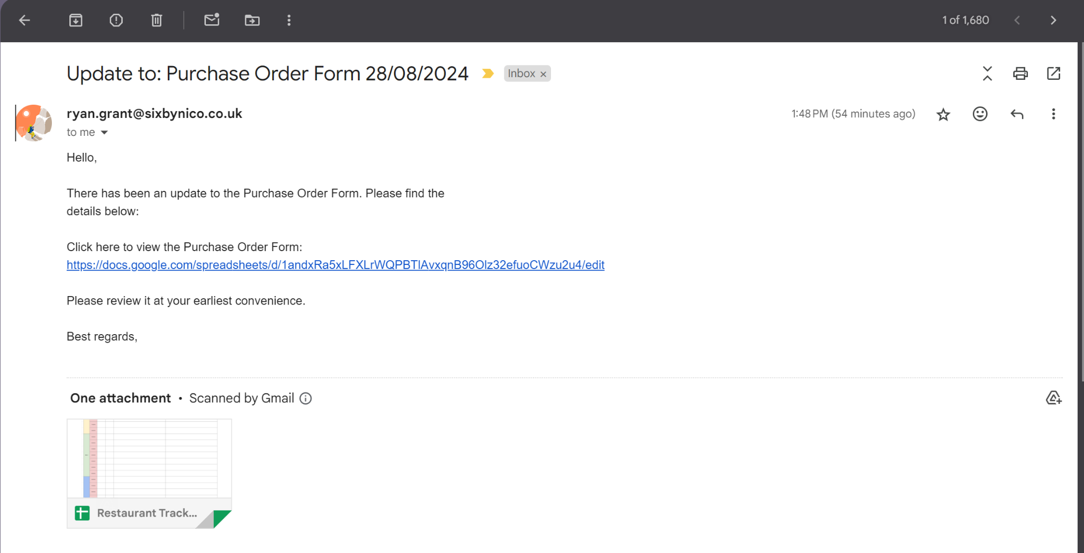
Purchase Order Form
Fill this out over the course of the menu to inform your Managers of any unique things that require ordering; wine glasses / beatson charity cards for example. Make sure to fill out the date that this was requested and to add any relevant information regarding measurements / amounts and any other relevant details. Managers will view this sheet regularly and update once they have been approved by checking the 'Ordered' cell. Ordered Items will be highlighted in green. Click the blue button at the bottom to send the order information to your line manager.

Request Date | Requestee Name | Category | Product Description | Measurment Info / Spec | Brand/Code | QTY | Approved By | Approved by Date | Ordered | Rejected | Notes
01/01/2024 | Ryan | FOH | New Menus | N/A | N/A | 1 Box | Laurel | 02/01/2024 | TRUE | FALSE | will arrive next week - laurel
01/01/2024 | Ryan | FOH | Wine Glasses | blah blah | 1982719287 | 6x12 |  |  | FALSE | TRUE | no sorry
 |  |  |  |  |  |  |  |  | FALSE | FALSE
 |  |  |  |  |  |  |  |  | FALSE | FALSE
 |  |  |  |  |  |  |  |  | FALSE | FALSE
 |  |  |  |  |  |  |  |  | FALSE | FALSE
 |  |  |  |  |  |  |  |  | FALSE | FALSE
 |  |  |  |  |  |  |  |  | FALSE | FALSE
 |  |  |  |  |  |  |  |  | FALSE | FALSE
 |  |  |  |  |  |  |  |  | FALSE | FALSE
 |  |  |  |  |  |  |  |  | FALSE | FALSE
 |  |  |  |  |  |  |  |  | FALSE | FALSE
 |  |  |  |  |  |  |  |  | FALSE | FALSE
 |  |  |  |  |  |  |  |  | FALSE | FALSE
 |  |  |  |  |  |  |  |  | FALSE | FALSE
 |  |  |  |  |  |  |  |  | FALSE | FALSE
 |  |  |  |  |  |  |  |  | FALSE | FALSE
 |  |  |  |  |  |  |  |  | FALSE | FALSE
 |  |  |  |  |  |  |  |  | FALSE | FALSE
 |  |  |  |  |  |  |  |  | FALSE | FALSE
 |  |  |  |  |  |  |  |  | FALSE | FALSE
 |  |  |  |  |  |  |  |  | FALSE | FALSE
 |  |  |  |  |  |  |  |  | FALSE | FALSE
 |  |  |  |  |  |  |  |  | FALSE | FALSE
 |  |  |  |  |  |  |  |  | FALSE | FALSE
 |  |  |  |  |  |  |  |  | FALSE | FALSE
Click to Send Updated Request’s to Manager
 |  | Manager Email: | grantryan182@gmail.com |  |  | Email Display format Below -- *This is just for demonstration purposes and the screenshot will not be included in the final Tracker Template*

